1. Title Page
Project Name: INSTACART GROCERY BASKET ANALYSIS
Date: APRIL 16, 2023
Analyst Name: DAVID GALDAMES

Contents:
Population Flow
Consistency checks
Wrangling steps
Column derivations
Visualizations
Recommendations

2. Population Flow
Population flow

Exclusion flag
Condition: max_order < 5, reduced the number of rows in cust_ords_prods_deps by 1,440,295 to 30, 964, 564
Obervations to be removed: eval_set column from orders data set and PII: first_name and surname from customers
Final total count of cust_ords_prods_deps: 30, 964, 564

cust_ords_prods_deps
Orders_products_combined
Orders_products_merged
cust_ords_prods_merge

Total: 32,434,489
Total: 32,404,859
Total: 32, 404, 859
•Total: 30, 964, 564

1.) The grey boxes in the first row of the population flow represent the original data sets as they were when you downloaded them. In the Total fields you need to add the count of the rows when you imported the data set into Jupyter.
2.) The second row of boxes (coloured) represents the data sets after you manipulated them, e.g., removed missing values and duplicates. In the Total fields you need to add the count of the rows after conducting these operations. This offers a visual oveview of how the data flows throughout the data consistency checks.
3.) The third row, where also the arrows are coloured, represents the merges you performed between the datasets. In the Total fields you need to add the count of the rows in the merged datasets, so that you end up with the final dataset (in the red box). Keep in mind the final dataset should be without exclusions (based on the exclusion flag).

3. Consistency checks
Consistency checks

DATASET | MISSING VALUES | MISSING VALUES TREATMENT | DUPLICATES
orders | 206,209 missing values found from days_since_prior_order | The missing values were left alone since they correspond with very first orders | 0
products | 16 missing values found from product_name | 16 missing values removed | 5 duplicates removed
orders_products_prior | 0 | N/A | 0
customers | 0 | N/A | 0
departments | 0 | N/A | 0

4. Wrangling steps
Wrangling steps

DATASET | COLUMNS DROPPED | COLUMNS RENAMED | COLUMNS' TYPE CHANGED | COMMENT/REASON
orders |  | orders_dow -> orders_day_of_week |  | Improved readability
 |  |  | order_id int64 -> str | Unique number where calculations not possible
 |  |  | user_id int64-> str | Unique number where calculations not possible
 | eval_set |  |  | Column has no relevance to analysis
products | N/A | N/A | N/A | Not required for analysis
orders_product_merge | N/A | N/A | N/A | Not required for analysis
customers | first_name |  |  | PII
 | surname |  |  | PII
 |  | STATE -> state |  | Improved readability
 |  | Gender -> gender |  | Improved readability
 |  | Age -> age |  | Improved readability
 |  | n_dependants -> num_of_children |  | Clear understanding
departments |  |  |  | Transposed for readability
cust_ords_prods_dep_merge |  | num_of_children -> num_of_dependants |  | It is unclear if dependants are children or spouses so I it changed back to dependants
 |  | spender_status - > spender_flag |  | Clearer understanding
 |  | frequency_status -> frequency_flag |  | Clearer understanding
 |  | customer_status -> customer_flag |  | Clearer understanding

5. Column derivations
 |  |  |  | Title page

Column derivations and aggregations

In this tab you should add tables below that the frequences of flags/label variables that you produced after deriving them. NB: don't do this for continuous variables, only for flags.
DATASET | NEW COLUMN | COLUMN/S IT WAS DERIVED FROM | CONDITIONS
orders_product_merged | price_range_loc | prices | #define function and use loc() on entire df ords_prods_merge.loc[ords_prods_merge['prices'] > 15, 'price_range_loc'] = 'High-range product', ords_prods_merge.loc[(ords_prods_merge['prices'] <= 15) & (ords_prods_merge['prices'] > 5), 'price_range_loc'] = 'Mid-range product', ords_prods_merge.loc[ords_prods_merge['prices'] <= 5, 'price_range_loc'] = 'Low-range product'
 | busiest_day | orders_day_of_week | result = [] for value in ords_prods_merge['orders_day_of_week']: if value == 0: result.append('Busiest day') elif value == 4: result.append('Least busy') else: result.append('Regularly busy')
 | busiest_days | orders_day_of_week | result2 = [] for value in ords_prods_merge['orders_day_of_week']: if value == 0 or value == 1: result2.append('Busiest days') elif value == 4 or value == 3: result2.append('Slowest days') else: result2.append('Regular Days')
 | busiest_period_of_day | order_hour_of_day | result3 = [] for value in ords_prods_merge['order_hour_of_day']: if value in [9, 10, 11, 12, 13, 14, 15, 16]: result3.append('Most orders') elif value in [0, 1, 2, 3, 4, 5, 6, 23]: result3.append('Fewest orders') else: result3.append('Average orders')
ords_prods_merge_agg | max_order | user_id, order_number | ords_prods_merge['max_order'] = ords_prods_merge.groupby(['user_id'])['order_number'].transform(np.max)
 | loyalty_flag | max_order | ords_prods_merge.loc[ords_prods_merge['max_order'] > 40, 'loyalty_flag'] = 'Loyal customer', ords_prods_merge.loc[ords_prods_merge['max_order'] <= 10, 'loyalty_flag'] = 'New customer', ords_prods_merge.loc[(ords_prods_merge['max_order'] <= 40) & (ords_prods_merge['max_order'] > 10), 'loyalty_flag'] = 'Regular customer',
 | customer_flag | max_order | ords_prods_merge.loc[ords_prods_merge['max_order'] <= 10, 'customer_status'] = 'New customer', ords_prods_merge.loc[ords_prods_merge['max_order'] > 10, 'customer_status'] = 'Existing customer'
 | avg_user_price | user_id, prices | ords_prods_merge['avg_user_price'] = ords_prods_merge.groupby(['user_id'])['prices'].transform(np.mean)
 | spender_flag | avg_user_price | ords_prods_merge.loc[ords_prods_merge['avg_user_price'] < 10, 'spender_status'] = 'Low spender', ords_prods_merge.loc[ords_prods_merge['avg_user_price'] >= 10, 'spender_status'] = 'High spender'
 | med_days_prior_order | user_id, days_since_prior_order | ords_prods_merge['med_days_prior_order'] = ords_prods_merge.groupby(['user_id'])['days_since_prior_order'].transform(np.median)
 | frequency_flag | med_days_prior_order | ords_prods_merge.loc[ords_prods_merge['med_days_prior_order'] > 20, 'frequency_status'] = 'Non-frequent customer', ords_prods_merge.loc[(ords_prods_merge['med_days_prior_order'] > 10) & (ords_prods_merge['med_days_prior_order'] <= 20), 'frequency_status'] = 'Regular customer', ords_prods_merge.loc[ords_prods_merge['med_days_prior_order'] <= 10, 'frequency_status'] = 'Frequent customer'
high_act_cust_ords_prods | region | state | region = [] for value in cust_ords_prods['state']: if value in ['Maine', 'New Hampshire', 'Vermont', 'Massachusetts', 'Rhode Island', 'Connecticut', 'New York', 'Pennsylvania', 'New Jersey']: region.append('Northeast') elif value in ['Wisconsin', 'Michigan', 'Illinois', 'Indiana', 'Ohio', 'North Dakota', 'South Dakota', 'Nebraska', 'Kansas', 'Minnesota', 'Iowa', 'Missouri']: region.append('Midwest') elif value in ['Delaware', 'Maryland', 'District of Columbia', 'Virginia', 'West Virginia', 'North Carolina', 'South Carolina', 'Georgia', 'Florida', 'Kentucky', 'Tennessee', 'Mississippi', 'Alabama', 'Oklahoma', 'Texas', 'Arkansas', 'Louisiana']: region.append('South') else: region.append('West')
 | customer_activity | max_order | customer_activity = [] for value in cust_ords_prods['max_order']: if value < 5: customer_activity.append('low-activity') else: customer_activity.append('high-activity')
cust_ords_prods_dep_merge | age_profile | age | pr_age = [] for age in df['age']: if age >= 18 and age < 40: pr_age.append('young-adult') elif age >= 40 and age < 65: pr_age.append('middle-aged') else: pr_age.append('senior')
 | income_profile | income | pr_income = [] for salary in df['income']: if salary < 35000: pr_income.append('lower-class') elif salary >= 35000 and salary < 55000: pr_income.append('lower-middle class') elif salary >= 55000 and salary < 107000: pr_income.append('middle-class') elif salary >= 107000 and salary < 236000: pr_income.append('upper-middle class') else: pr_income.append('upper-class')
 | dependant_profile | num_of_dependants | pr_dependant = [] for dependant in df['num_of_dependants']: if dependant < 1: pr_dependant.append('single-family') else: pr_dependant.append('multi-family')
 | department_profile | department_id | pr_dep = [] for dep in df['department_id']: if dep == 8: pr_dep.append('has pet') elif dep == 18: pr_dep.append('has baby') else: pr_dep.append('no pet or baby')

6. Visualizations
 |  |  |  |  |  | Title page

Visualisations

In this tab you should include all the visualtions from Exercises 4.9 and 4.10, alongside the questions from the project brief that they answer. Include any commentary on the relationship between different variables.
 |  |  |  |  | All observation are mentioned in green text

The busiest days and hours of the week based on number of orders.
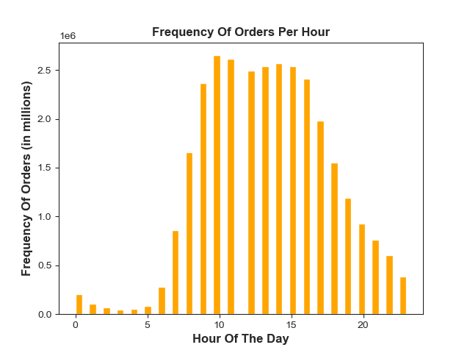
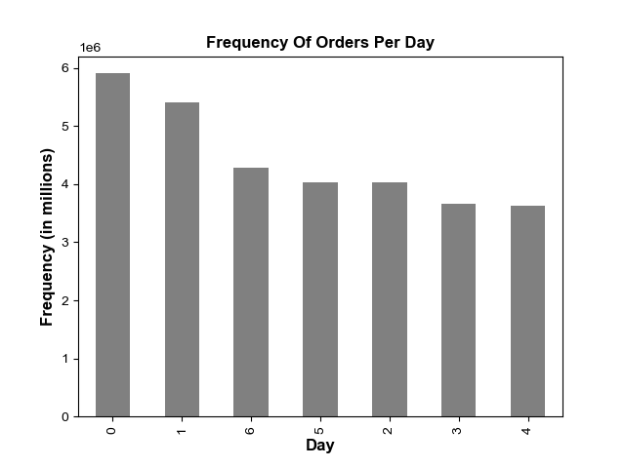

 |  |  |  |  |  |  | The Frequency Of Orders Per Day Chart shows that:
 |  |  |  |  |  |  | Saturday (0) and Sunday (1) are the busiest days
 |  |  |  |  |  |  | of the week with the most orders.
 |  |  |  |  |  |  | This is not surprising as it corresponds to the weekend.

 |  |  |  |  |  |  | The Frequency Of Orders Per Hour chart shows that:
 |  |  |  |  |  |  | The histogram clearly shows that the busiest hours
 |  |  |  |  |  |  | of the day for the entire data set is between
 |  |  |  |  |  |  | 9 and 16 or 9am and 4pm.

They also want to know whether there are particular times of the day when people spend the most money, as this might inform the type of products they advertise at these times.

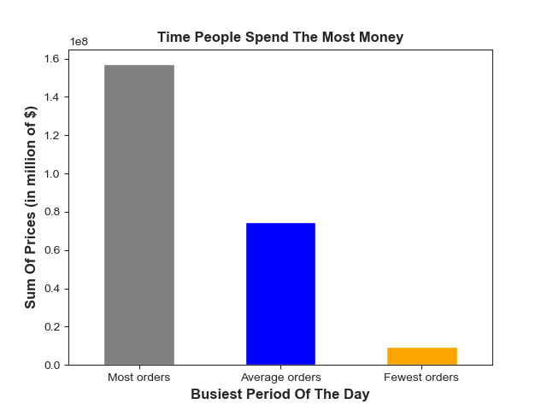

 |  | Most Orders are between 9am - 4pm
 |  | Average orders are between 5pm-10pm, and 7am-8am
 |  | Fewest Orders are between 11pm and 12am-6am

 |  | The Time People Spend The Most Money Chart demonstrates that individuals will spend the most
 |  | money between 9am-4pm

Instacart has a lot of products with different price tags. Marketing and sales want to use simpler price range groupings to help direct their efforts.

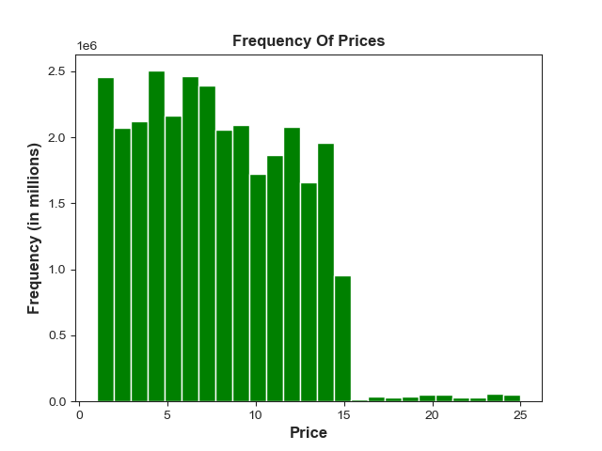

 |  | The price ranges from $1 to $15 are the most common.

Are there certain types of products that are more popular than others? The marketing and sales teams want to know which departments have the highest frequency of product orders.
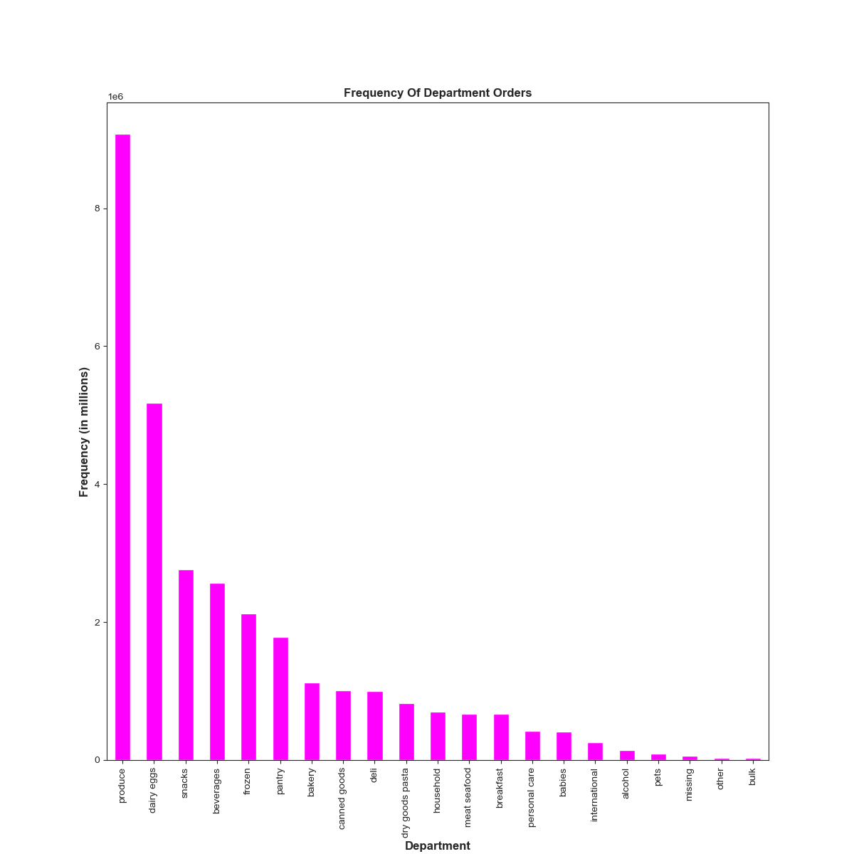

 |  |  |  | Produce far exceeds any other department for most orders, followed by dairy eggs, snacks,
 |  |  |  | beverages, and frozen respectively; this rounds up the top 5.

What’s the distribution among users in regards to their brand loyalty (i.e., how often do they return to Instachart)?

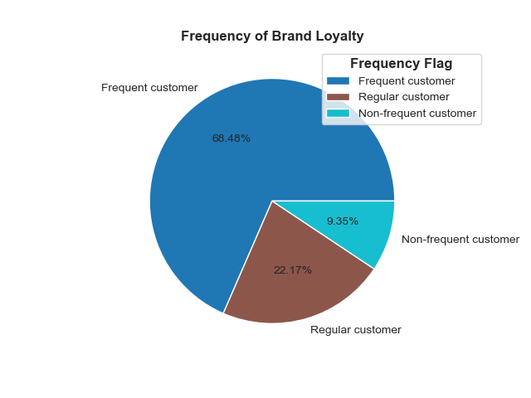

 |  |  | Frequency Flag:
 |  |  | Frequent customer: <= 10 med_days_since_prior_order
 |  |  | Non-frequent customer: > 20 med_days_since_prior_order
 |  |  | Regular customer: > 10 and <= 20 med_days_since_prior_order

 |  |  | Frequent customers consist of 68.5% of the orders, while regular and non-frequent customers
 |  |  | represent 22.2% and 9.4% , respectively.

Are there differences in ordering habits based on a customer’s loyalty status?

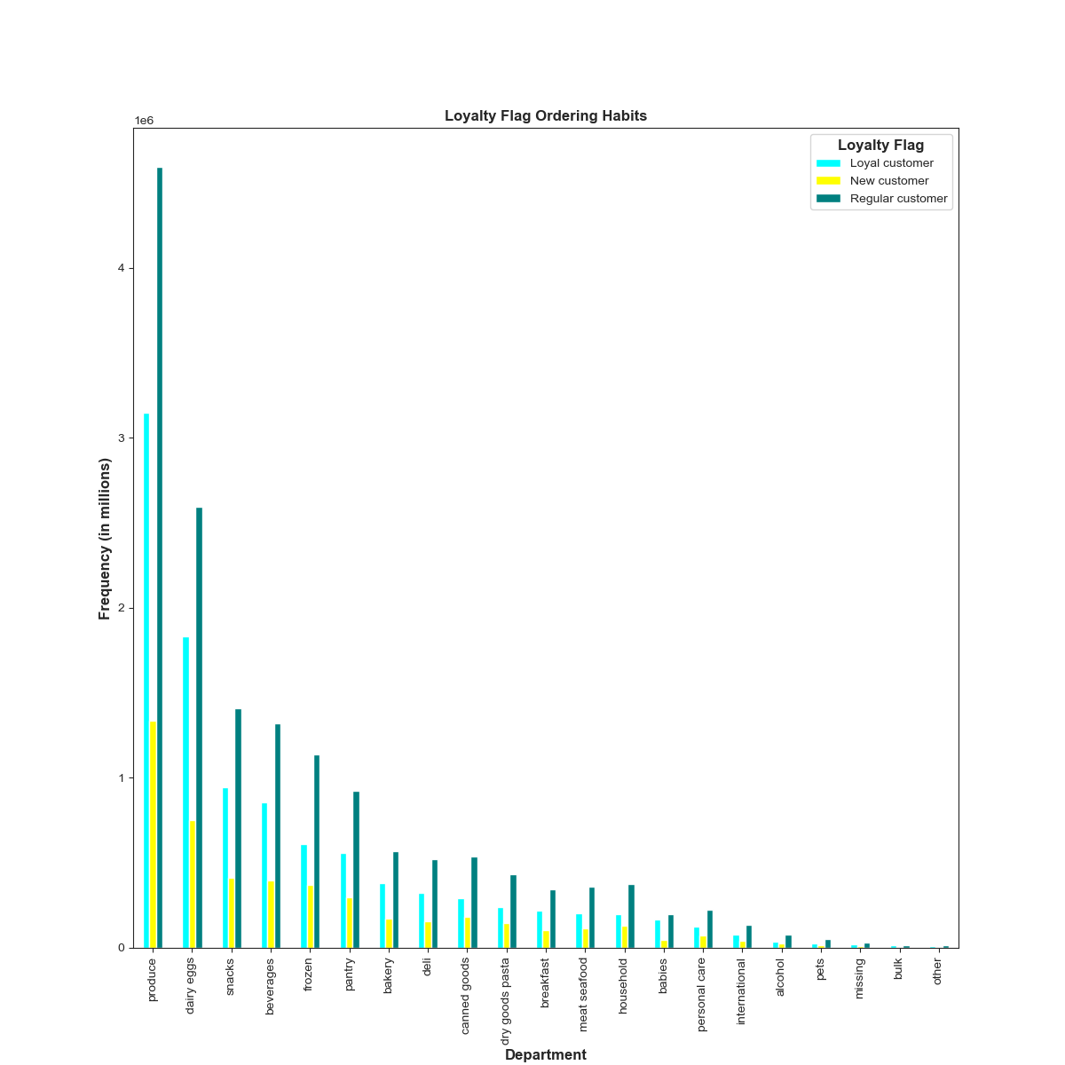

 |  |  | Loyalty Flag:
 |  |  | Loyal Customer: > 40 orders
 |  |  | New Customer: <= 10 orders
 |  |  | Regular Customer: > 10 and <=40 orders

 |  |  | For all loyalty_flag profiles, their top 5 orders by deparment are produce, dairy eggs, snacks,
 |  |  | beverages and frozen .
 |  |  | It is also clear from this chart that Loyal customers make the most orders followed by regular customers
 |  |  | and new customers, respectively.
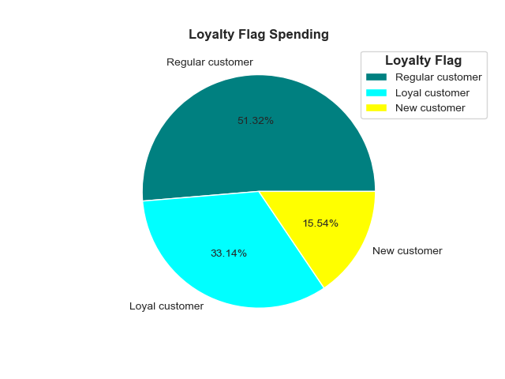

 |  |  |  |  |  |  |  |  | So from the loyalty_flag profile regular
 |  |  |  |  |  |  |  |  | customers, loyal customers, and
 |  |  |  |  |  |  |  |  | new customers spend the most money,
 |  |  |  |  |  |  |  |  | respectively.

Are there differences in ordering habits based on a customer’s region?
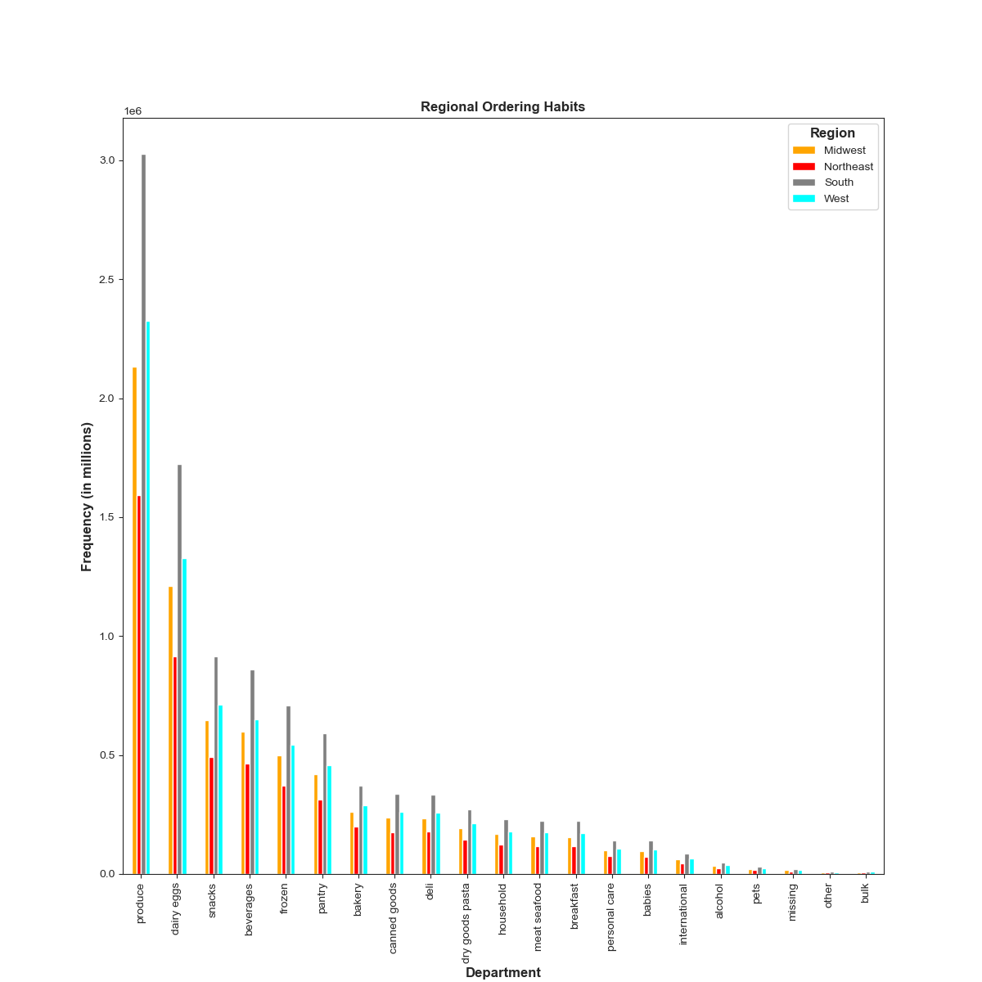

 |  |  | From the Regional ordering habits chart, it is clear that the South, West, Midwest, and Northeast have
 |  |  | the most orders, respectively.
 |  |  | For all regions, their top 5 orders by deparment are produce, dairy eggs, snacks, beverages and frozen.

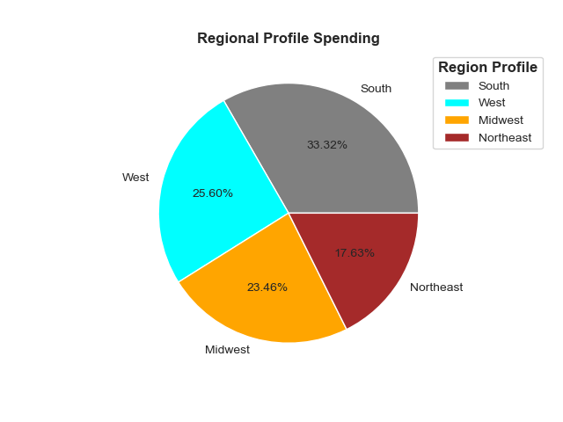

 |  |  |  |  |  |  |  |  | So it is clear that the regions that spend
 |  |  |  |  |  |  |  |  | the most money are South, west, midwest,
 |  |  |  |  |  |  |  |  | and northeast, respectively.

Is there a connection between age and family status in terms of ordering habits?

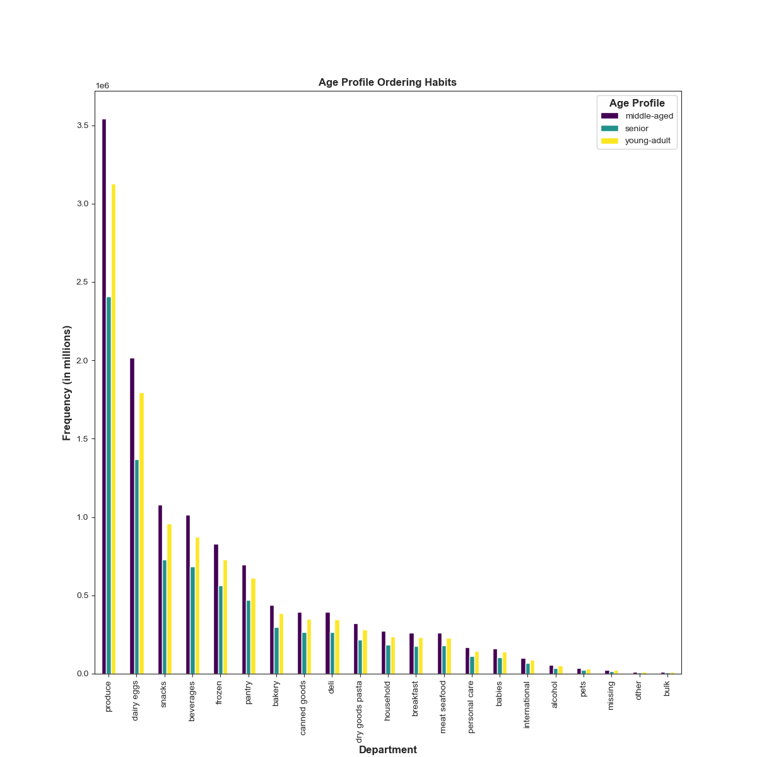
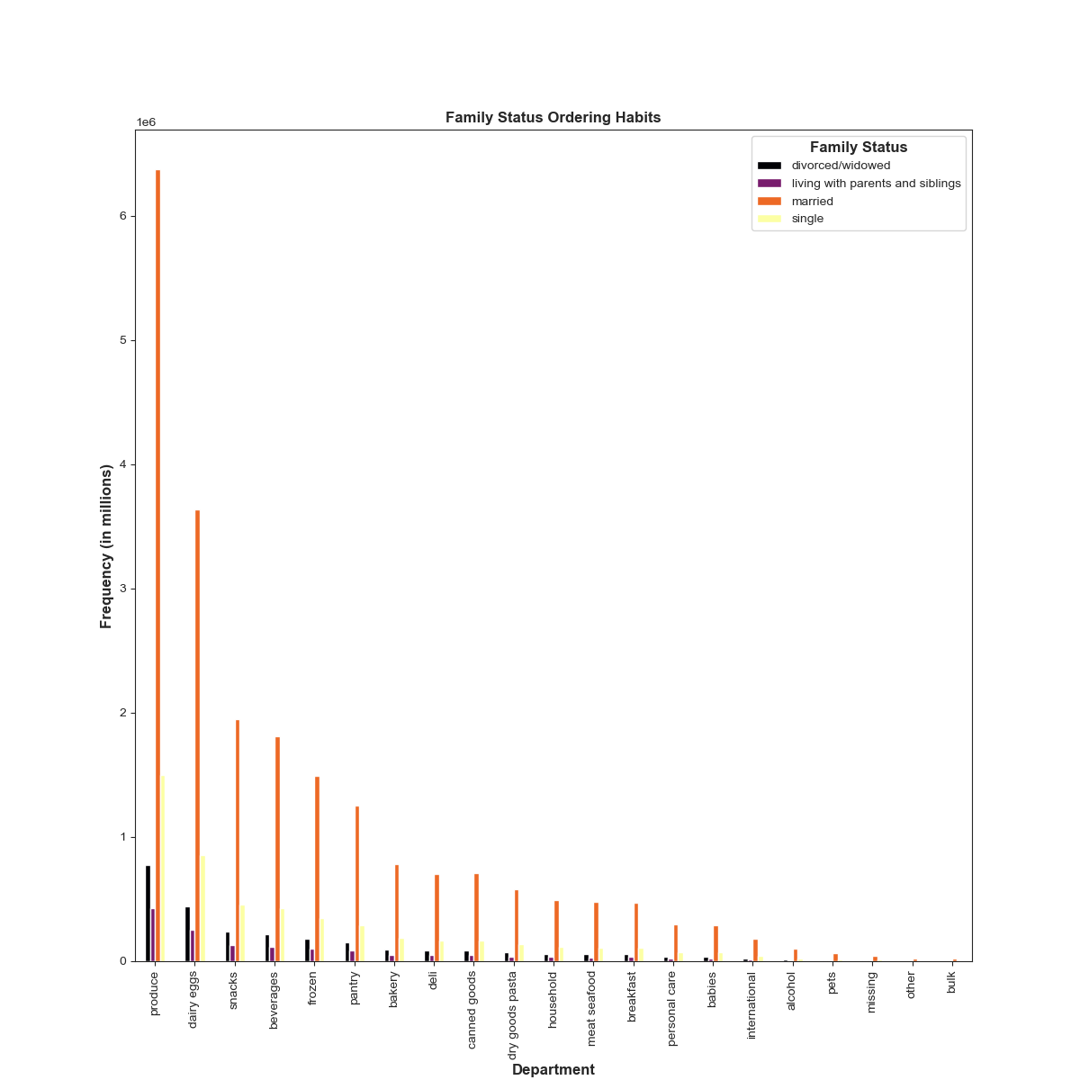

The Top 5 deparment orders by age_profile and family status are the same: produce, dairy eggs, snacks, and beverages.

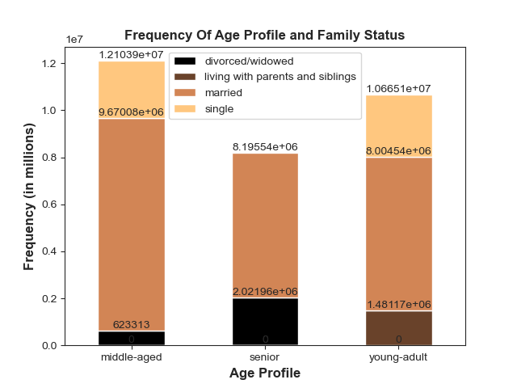

 |  | Age Profile:
 |  | middle-aged: >=40 and < 65
 |  | senior: >= 65
 |  | young-adult: >= 18 and < 40

 |  | It is clear that married middle-aged individuals make the most orders, followed by married young adult,
 |  | and married senior, respectively.

Income Profile Ordering Habits

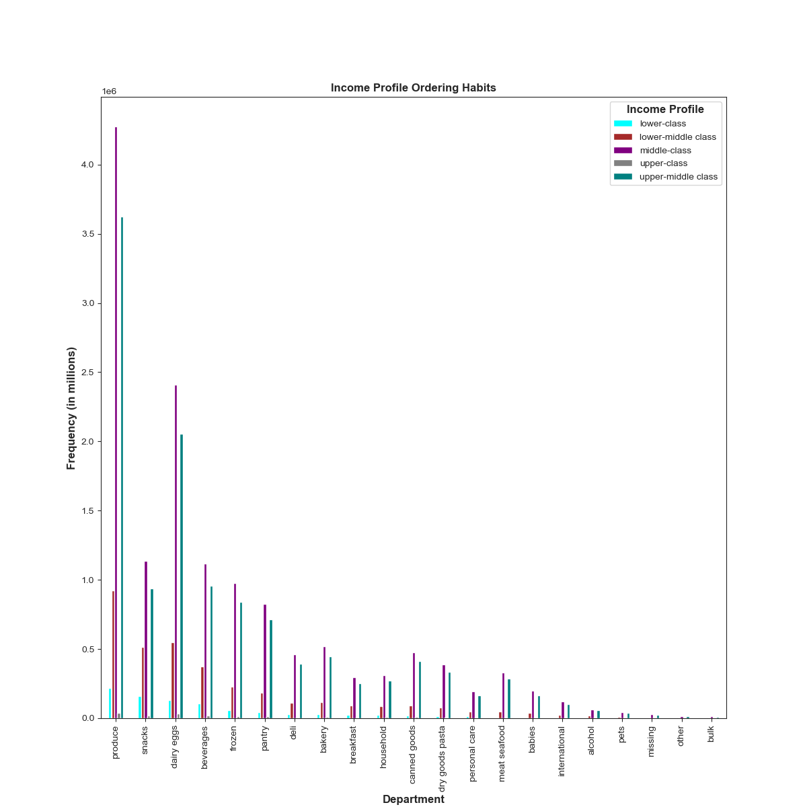

 |  |  | Income Profile is as follows:
 |  |  | Income less than 34999 will be lower-class
 |  |  | Income from 35000 to 54999 will be lower-middle class
 |  |  | Income from 55000 to 106999 will be middle-class
 |  |  | Income from 107000 to 235999 will be upper-middle class
 |  |  | Income above 236000 will be upper-class

 |  |  | The ordering habits by department for the income_profile is not as consistent as all the other ones.
 |  |  | However, the top five remain the same: produce, dairy eggs, snacks, and beverages. They just may not
 |  |  | be in that exact order for all the different income_profiles. The middle-class, upper-middle class,
 |  |  | and lower-middle class make the most orders, respectively.
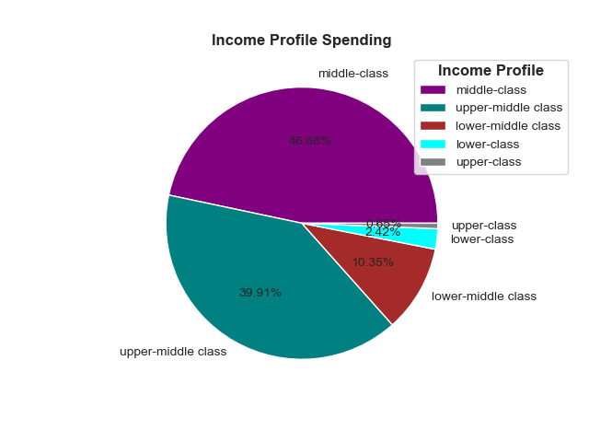

 |  |  |  |  |  |  |  | The middle class, upper-middle class,
 |  |  |  |  |  |  |  | and lower-middle class spend the most
 |  |  |  |  |  |  |  | money, respectively.

Department Profile Ordering Habits

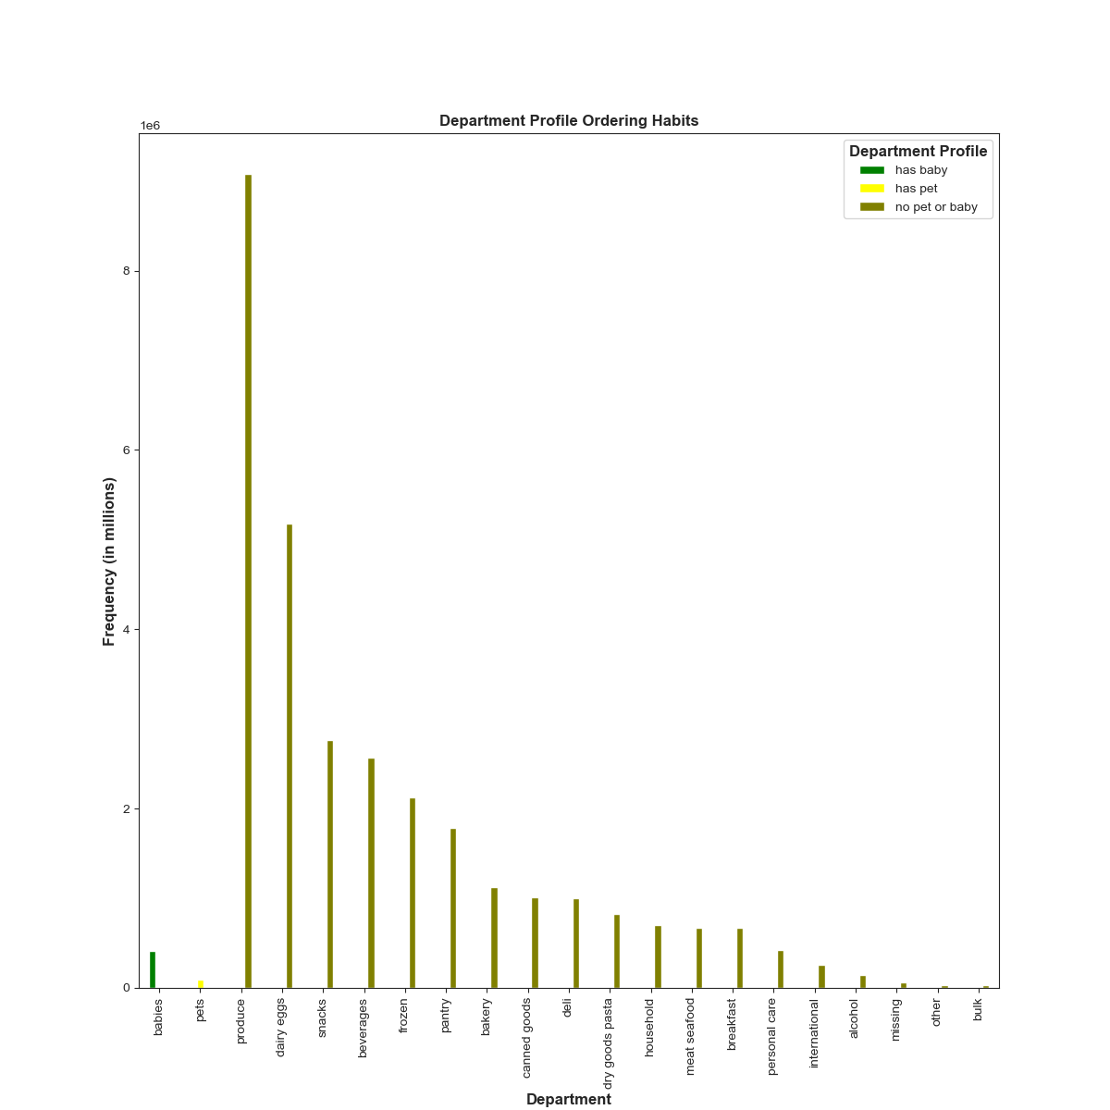

 |  |  | Department profile was made based on whether the customer had purchased items from the
 |  |  | babies or pets departments.

 |  |  | This is an interesting one as it shows that customers with babies or pets only use instacart to buy products
 |  |  | for their babies or pets. The no pet or baby category obviously has the most orders and their ordering
 |  |  | habits follow the same pattern as the rest of them: produce, dairy eggs, snacks, beverages, frozen.

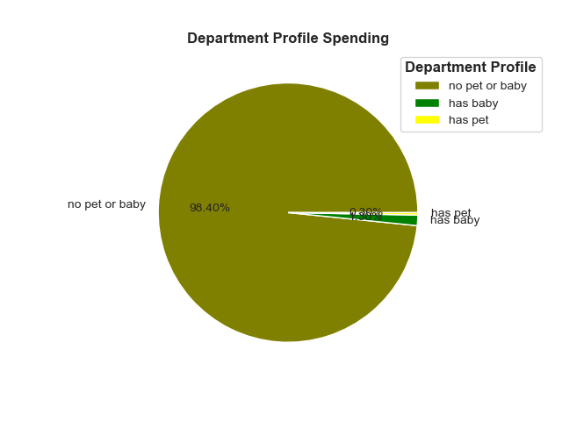

 |  |  |  |  |  |  |  |  | So obviously the department_profile
 |  |  |  |  |  |  |  |  | no pet or baby far exceeds the other ones
 |  |  |  |  |  |  |  |  | with amount spent.

Dependant Profile Ordering Habits

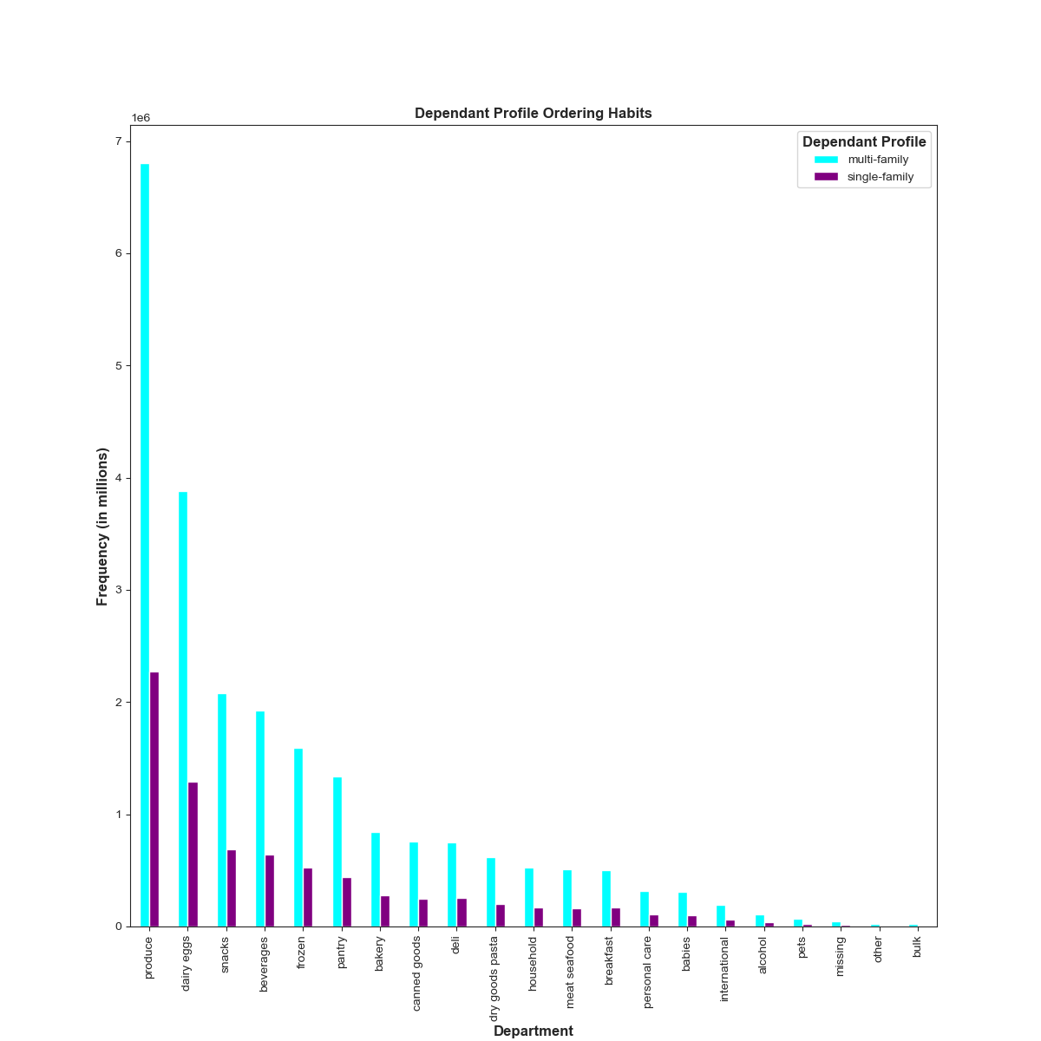

 |  |  |  | Dependant Profile:
 |  |  |  | Multi-family has one or more dependants
 |  |  |  | Single Family has no dependants

 |  |  |  | Clearly multi family has much more orders and their orders by department are the same as
 |  |  |  | everything else: produce, dairy eggs, snacks, beverages, and frozen.

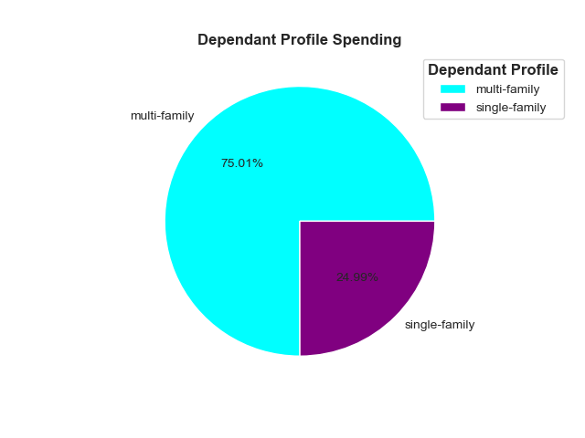

 |  |  |  |  |  |  |  |  |  | From the chart, it is clear that
 |  |  |  |  |  |  |  |  |  | multi-family spend the most money.

Customer Profiles Aggregation

age_profile | income_profile |  |  |  |  |  | dependant _profile
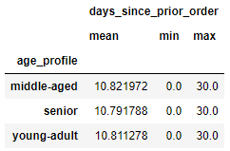
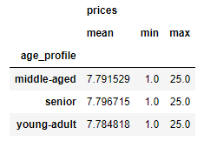
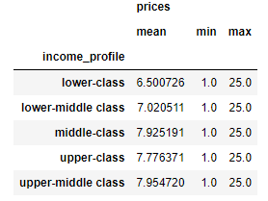
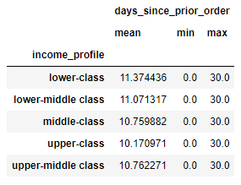
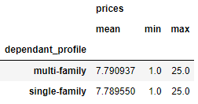
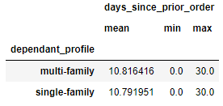

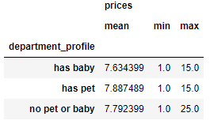
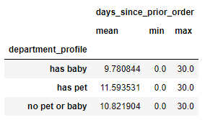
department_profile
 |  | Not a significant difference in the prices mean, min, and max for the various customer profiles.
 |  | Not a significant diference in the days_since_prior_order mean, min, and max for the various customer profiles.

7. Recommendations
 |  | Title page

Recommendations

In this tab you should include any recommendations you would made to Instcart in terms of their marketing strategy based on the questions posed in the brief. Every key question has been covered in the Tasks of the Exercises - here you need to add an item - a visualisation or table/crosstable that is showing the answer in the data, acompanied by a comment from you. Please, list the questions below and add the answer underneath.

QUESTION | ANSWER
Key question 1: The sales team needs to know what the busiest days of the week and hours of the day are(i.e the days and times with the most orders) in order to schedule ads at times when there are more orders. | The busiest days are Saturday and Sunday. The busiest times are between 9am and 4pm.

Key question 2: They also want to know whether there are particular times of the day when people spend the most money, as this might inform the type of products advertised during these times. | Individuals will spend the most money between 9am and 4pm

Key question 3: Instacart has a lot of products with different price tags. Marketing and sales want to use simpler price range groupings to help direct their efforts. | The prices ranges between $1 and $15 have the most orders.

Key question 4: Are there certain types of products that are more popular than others? The marketing and sales teams want to know which departments have the highest frequency of product orders. | The top 5 orders by department are: produce, dairy eggs, snacks, beverages, and frozen.

Key question 5: What’s the distribution among users in regards to their brand loyalty (i.e., how often do they return to Instacart)? | Frequent customers consist of 68.5% of the total orders while regular and non-frequent consist of 22.4% and 9.2%, respectively.

Key Question 6: Are there differences in ordering habits based on a customer’s loyalty status? | The top 5 orders by deparment for the various loyalty_flag are the same: produce, dairy eggs, snacks, beverages, and frozen. The ones with most orders and greatest expenditures are the same and in the following order: regular customer, loyal customer, and new customer, respectively.

Key Question 7: Are there differences in ordering habits based on a customer’s region? | South, west, midwest, and northeast have the most expenditure and orders respectively. The top 5 orders by deparment for all regions is the same: produce, dairy eggs, snacks, beverages, and frozen respectively.

Key question 8: Is there a connection between age and family status in terms of ordering habits? | The top 5 orders by department for the age_profile and fam_status profiles are the same: produce, dairy eggs, snacks, beverages and frozen. In addition, it is clear that married middle-aged, married young-adult, and married seniors make the most orders.

Key question 9: What differences can you find in ordering habits of different customer profiles? | No, in all customer profiles the top 5 orders by department were produce, dairy eggs, snacks, beverages, and frozen, respectively. In addition, the ones with the most orders were always the ones who spent the most money.

FINAL RECOMMENDATIONS

The instacart stakeholders are most interested in the variety of customers in their data base
along with their purchasing behaviours. They assume they can't target everyone the same
methods, and they are considering a targeted marketing strategy. They want to target different
customers with applicable marketing campaigns to see if they have an effect on their sales.

Below are my recommendations taking everything into account to maximize profits:

When should the ads be placed? 60% of ads should be placed on Saturdays and Sundays between
9am and 4pm. 30% of the ads should be the rest of the days between 7am-8am and 5pm-10pm.
The remaining 10 % can be placed the rest of the days between 11pm and 12am - 6am.

Who should the ads target? 80% of the ads should target maried middle aged, married young-adult,
and married- seniors. The other 20% can target the other family status and age profile groups.

What ads should be placed? I suggest that 70% of the ads should reflect the top 6 orders by deparment
which are produce, dairy eggs, snacks, beverages, frozen, and pantry. The other 30% of ads can be from
the rest of the deparments.
The ads placed should reflect the most frequently ordered price ranges.
I suggest that 90% of the ads be for items in the price ranges of $1 to $15. The other 10% can
be for items over $15.

Where should the ads be placed? 33% of ads should be focused in the South region, 26% the west,
24% midwest, and 17% in the northeast.

How should the ads be placed? Since instacart is online app store, the ads should be placed in various
social media platforms such as but not limited to: facebook, tiktok, instagram, twitter, reddit, youtube
snapchat, linkedin, pinterest.

